Overview
The "Red Book" is published by the National Beef Cattlemen's Association
under the direction of the IRM Redbook Working Group that reports
to the Joint Producer Education Committee at the National Cattlemen's Beef Association.
For more information about NCBA go to: | www.beefusa.org
The "red book" was originally designed by Ed Duren (University of Idaho)
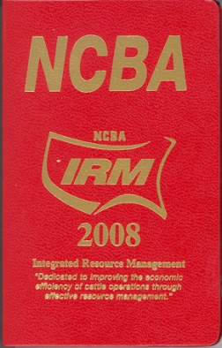
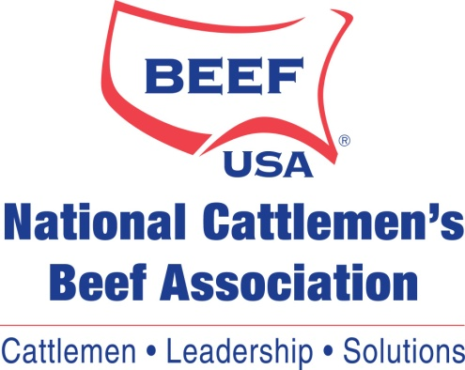

This excel spreadsheet was developed (programmed) at Utah State University
under the direction of E. Bruce Godfrey

Cells that are highlighted in Green are formulas and should not be altered
Cells that are highlighted in Blue are where data need to be entered
Tan Cells are examples to assist you.

